ورقة1
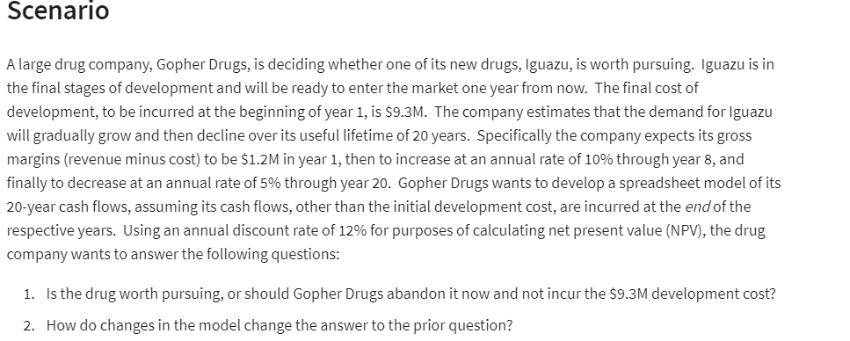
Gopher Drugs

 |  |  | Cash flow
Devolpment Cost : | 9.3 | million | End Year | Money (million)
Life time | 20 | years | 1 | SAR 1.2 | =B6
year 1 margin | 1.2 | million | 2 | SAR 1.32 | =IF(E6<$B$7,F5*(1+$B$8),F5-F5*$B$9)
inc through year | 8 | years | 3 | SAR 1.45 | =IF(E7<$B$7,F6*(1+$B$8),F6-F6*$B$9)
Rate of increase | 10% |  | 4 | SAR 1.60 | =IF(E8<$B$7,F7*(1+$B$8),F7-F7*$B$9)
Rate of decrease | 5% |  | 5 | SAR 1.76 | =IF(E9<$B$7,F8*(1+$B$8),F8-F8*$B$9)
Discount rate 12 | 12% |  | 6 | SAR 1.93 | =IF(E10<$B$7,F9*(1+$B$8),F9-F9*$B$9)
 |  |  | 7 | SAR 2.13 | =IF(E11<$B$7,F10*(1+$B$8),F10-F10*$B$9)
(net) percent value | SAR 11.85 | Million | 8 | SAR 2.02 | =IF(E12<$B$7,F11*(1+$B$8),F11-F11*$B$9)
NPV | SAR 2.55 | Million | 9 | SAR 1.92 | =IF(E13<$B$7,F12*(1+$B$8),F12-F12*$B$9)
 |  |  | 10 | SAR 1.82 | =IF(E14<$B$7,F13*(1+$B$8),F13-F13*$B$9)
 |  |  | 11 | SAR 1.73 | =IF(E15<$B$7,F14*(1+$B$8),F14-F14*$B$9)
 |  |  | 12 | SAR 1.64 | =IF(E16<$B$7,F15*(1+$B$8),F15-F15*$B$9)
 |  |  | 13 | SAR 1.56 | =IF(E17<$B$7,F16*(1+$B$8),F16-F16*$B$9)
 |  |  | 14 | SAR 1.48 | =IF(E18<$B$7,F17*(1+$B$8),F17-F17*$B$9)
 |  |  | 15 | SAR 1.41 | =IF(E19<$B$7,F18*(1+$B$8),F18-F18*$B$9)
 |  |  | 16 | SAR 1.34 | =IF(E20<$B$7,F19*(1+$B$8),F19-F19*$B$9)
 |  |  | 17 | SAR 1.27 | =IF(E21<$B$7,F20*(1+$B$8),F20-F20*$B$9)
 |  |  | 18 | SAR 1.21 | =IF(E22<$B$7,F21*(1+$B$8),F21-F21*$B$9)
 |  |  | 19 | SAR 1.15 | =IF(E23<$B$7,F22*(1+$B$8),F22-F22*$B$9)
 |  |  | 20 | SAR 1.09 | =IF(E24<$B$7,F23*(1+$B$8),F23-F23*$B$9)

